Sheet1
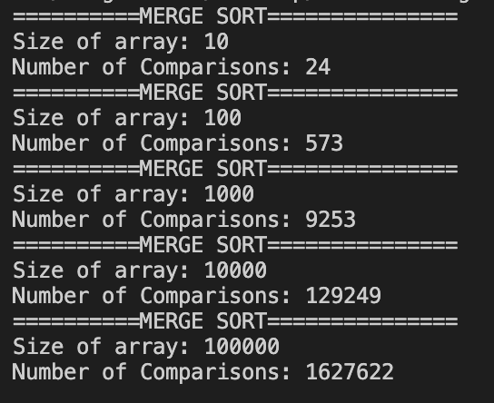
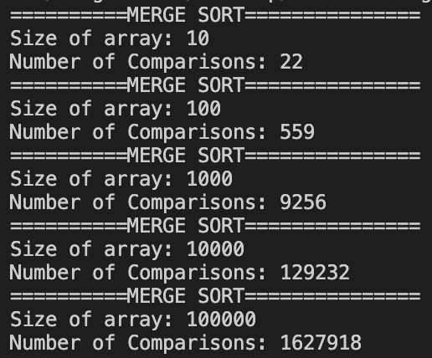

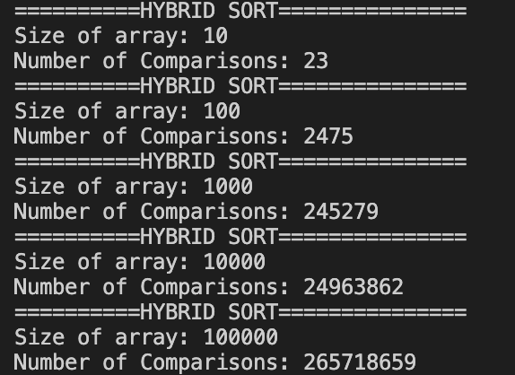
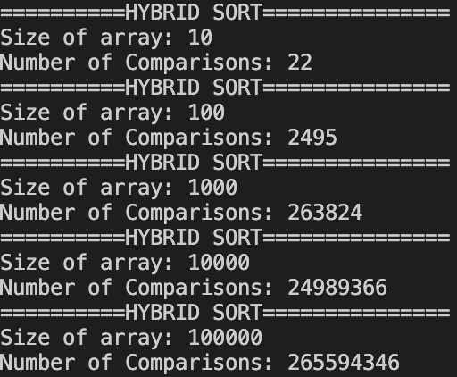
Theoretical Time Complexity | WC | AC |  |  |  | Note The WC for insertion sort happens with the list is initially in reverse order. The WC for MergeSort happens when we partition the list and we get an interleaved list. For example, 1,3,5,7,2,4,6,8 (resutling in 7 comparisons at that level of the recursive tree)
Merge Sort | nlogbase2(n) - n+1
Insertion Sort | n*(n-1)/2 | 0.5*(n-1)(n+2)/2

n (size of data): Average case, randomly generated array of length n | Number of Comparisons (MergeSort) | Theorical Number of Comparisons (MergeSort) | Number of Comparisons (InsertionSort) | Theorical Number of Comparisons (InsertionSort) | Theoretical Number of Comparisons (InsertionSort) WC
7 |  | 14 |  | 14 | 21
10 |  | 24 |  | 27 | 45
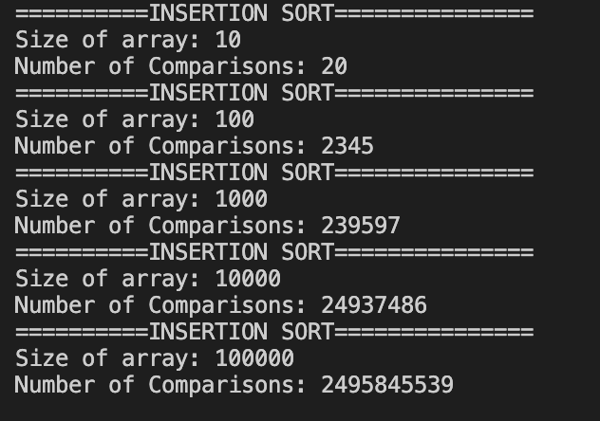
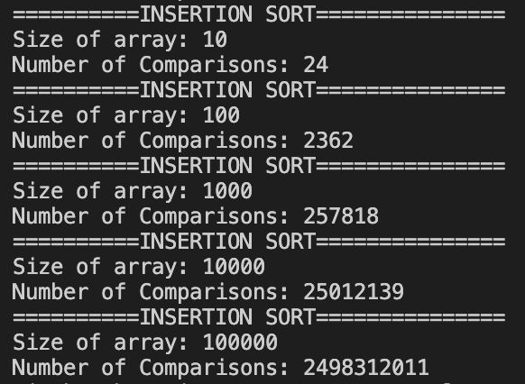
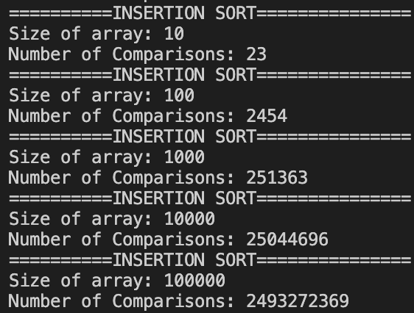
100 |  | 565 |  | 2525 | 4950
1000 |  | 8967 |  | 250250 | 499500
10000 |  | 122878 |  | 25002500 | 49995000
100000 |  | 1560965 |  | 2500025000 | 4999950000
1000000 |  | 18931570 |  | 250000250000 | 499999500000
10000000 |  | 222534968 |  | 25000002500000 | 49999995000000

Sheet2
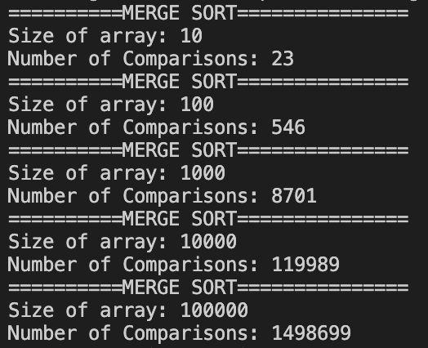
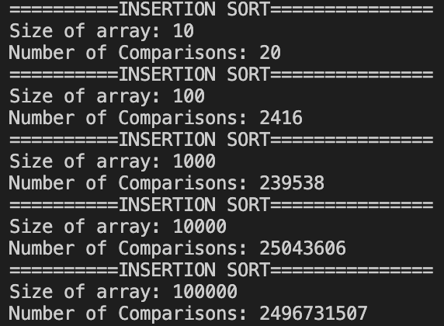
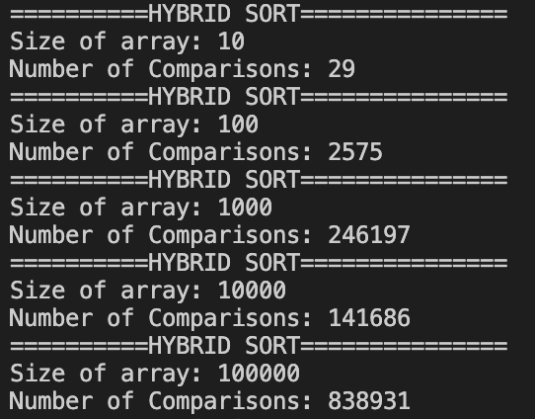
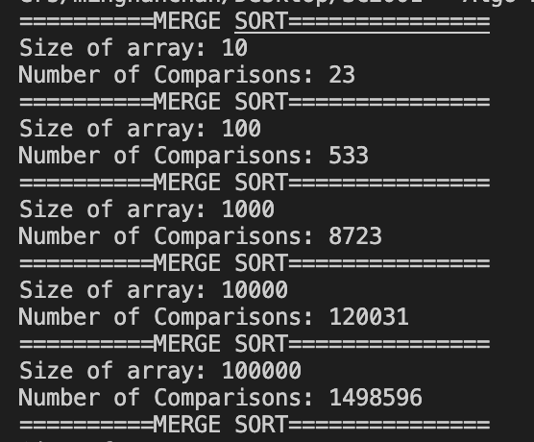
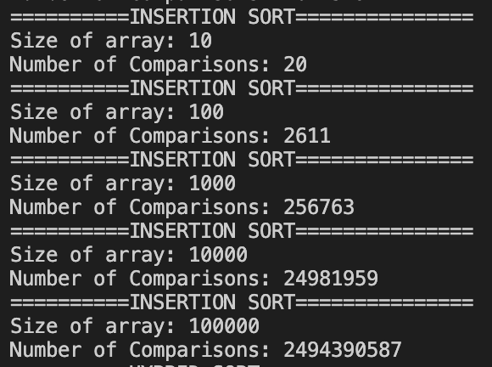

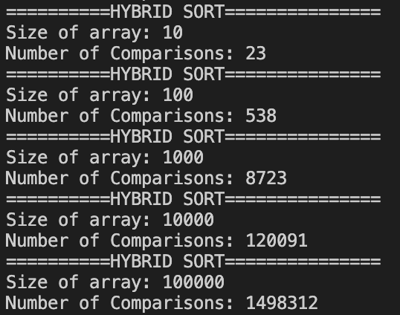
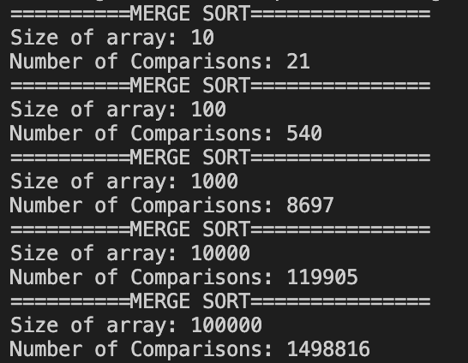

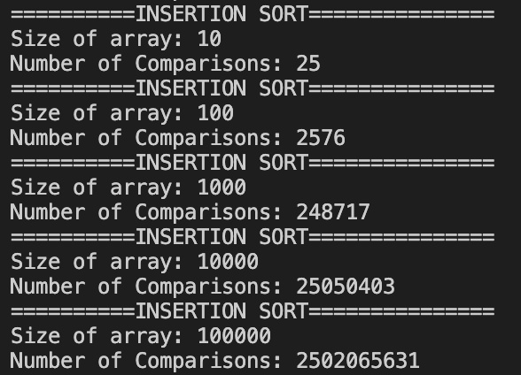
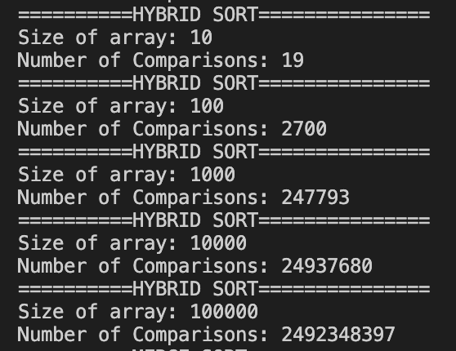

threhold 1000

ci
s=100

 | HYBRID SORT
n | Number of Comparisons
1000 | 4182
2000 | 10275
4000 | 22002
8000 | 52023
16000 | 118011
32000 | 266252
64000 | 595278
128000 | 1311665
256000 | 2883280
512000 | 6265975
1024000 | 13544250
2048000 | 29083882

cii
 | numComparisons
0 | 8705
1 | 8702
2 | 8711
3 | 8648
4 | 7978
5 | 7954
6 | 7993
7 | 7840
8 | 7158
9 | 7179
10 | 7177
11 | 7136
12 | 7149
13 | 7155
14 | 7198
15 | 6841
16 | 6367
17 | 6266
18 | 6316
19 | 6219
20 | 6288
21 | 6378
22 | 6187
23 | 6202
24 | 6294
25 | 6211
26 | 6347
27 | 6269
28 | 6280
29 | 6256
30 | 6389
31 | 5641
32 | 5601
33 | 5661
34 | 5533
35 | 5647
36 | 5722
37 | 5480
38 | 5541
39 | 5623
40 | 5604
41 | 5487
42 | 5480
43 | 5634
44 | 5597
45 | 5648
46 | 5761
47 | 5630
48 | 5657
49 | 5666
...
 | numComparisons
0 | 119934
1 | 120015
2 | 119984
3 | 117062
4 | 116320
5 | 109754
6 | 109861
7 | 109927
8 | 109779
9 | 108038
10 | 101393
11 | 101521
12 | 101371
13 | 101275
14 | 101502
15 | 101323
16 | 101414
17 | 101374
18 | 101345
19 | 97174
20 | 92386
21 | 92298
22 | 92160
23 | 92285
24 | 92395
25 | 92438
26 | 92252
27 | 92178
28 | 92107
29 | 92573
30 | 92168
31 | 92593
32 | 92173
33 | 92141
34 | 91955
35 | 92311
36 | 92129
37 | 92136
38 | 92159
39 | 83683
40 | 82868
41 | 83411
42 | 83438
43 | 83039
44 | 83141
45 | 83157
46 | 83021
47 | 83031
48 | 82923
49 | 83061
...
n=10000 |  |  |  | n=1000
s range from 0 to 1000
s | numComparisons |  |  | s | numComparisons
0 | 119934 |  |  | 0 | 8705
1 | 120015 |  |  | 1 | 8702
2 | 119984 |  |  | 2 | 8711
3 | 117062 |  |  | 3 | 8648
4 | 116320 |  |  | 4 | 7978
5 | 109754 |  |  | 5 | 7954
6 | 109861 |  |  | 6 | 7993
7 | 109927 |  |  | 7 | 7840
8 | 109779 |  |  | 8 | 7158
9 | 108038 |  |  | 9 | 7179
10 | 101393 |  |  | 10 | 7177
11 | 101521 |  |  | 11 | 7136
12 | 101371 |  |  | 12 | 7149
13 | 101275 |  |  | 13 | 7155
14 | 101502 |  |  | 14 | 7198
15 | 101323 |  |  | 15 | 6841
16 | 101414 |  |  | 16 | 6367
17 | 101374 |  |  | 17 | 6266
18 | 101345 |  |  | 18 | 6316
19 | 97174 |  |  | 19 | 6219
20 | 92386 |  |  | 20 | 6288
21 | 92298 |  |  | 21 | 6378
22 | 92160 |  |  | 22 | 6187
23 | 92285 |  |  | 23 | 6202
24 | 92395 |  |  | 24 | 6294
25 | 92438 |  |  | 25 | 6211
26 | 92252 |  |  | 26 | 6347
27 | 92178 |  |  | 27 | 6269
28 | 92107 |  |  | 28 | 6280
29 | 92573 |  |  | 29 | 6256
30 | 92168 |  |  | 30 | 6389 | s | min Compar
31 | 92593 |  |  | 31 | 5641 | 119 | 5347
32 | 92173 | s | minCompar | 32 | 5601
33 | 92141 | 302 | 69720 | 33 | 5661
34 | 91955 |  |  | 34 | 5533
35 | 92311 |  |  | 35 | 5647
36 | 92129 |  |  | 36 | 5722
37 | 92136 |  |  | 37 | 5480
38 | 92159 |  |  | 38 | 5541
39 | 83683 |  |  | 39 | 5623
40 | 82868 |  |  | 40 | 5604
41 | 83411 |  |  | 41 | 5487
42 | 83438 |  |  | 42 | 5480
43 | 83039 |  |  | 43 | 5634
44 | 83141 |  |  | 44 | 5597
45 | 83157 |  |  | 45 | 5648
46 | 83021 |  |  | 46 | 5761
47 | 83031 |  |  | 47 | 5630
48 | 82923 |  |  | 48 | 5657
49 | 83061 |  |  | 49 | 5666
50 | 83233 |  |  | 50 | 5814
51 | 83451 |  |  | 51 | 5575
52 | 83479 |  |  | 52 | 5704
53 | 83084 |  |  | 53 | 5808
54 | 83465 |  |  | 54 | 5471
55 | 82792 |  |  | 55 | 5597
56 | 83066 |  |  | 56 | 5599
57 | 83564 |  |  | 57 | 5540
58 | 83285 |  |  | 58 | 5668
59 | 82993 |  |  | 59 | 5586
60 | 83055 |  |  | 60 | 5615
61 | 83121 |  |  | 61 | 5603
62 | 83177 |  |  | 62 | 5859
63 | 83240 |  |  | 63 | 5498
64 | 82966 |  |  | 64 | 5404
65 | 83014 |  |  | 65 | 5507
66 | 83317 |  |  | 66 | 5578
67 | 83131 |  |  | 67 | 5586
68 | 83365 |  |  | 68 | 5760
69 | 83458 |  |  | 69 | 5651
70 | 83658 |  |  | 70 | 5792
71 | 83103 |  |  | 71 | 5755
72 | 82877 |  |  | 72 | 5759
73 | 83364 |  |  | 73 | 5526
74 | 82947 |  |  | 74 | 5532
75 | 83047 |  |  | 75 | 5935
76 | 83043 |  |  | 76 | 5842
77 | 83157 |  |  | 77 | 5645
78 | 74935 |  |  | 78 | 5873
79 | 74941 |  |  | 79 | 5488
80 | 75153 |  |  | 80 | 5698
81 | 74809 |  |  | 81 | 5631
82 | 74475 |  |  | 82 | 5576
83 | 74626 |  |  | 83 | 5668
84 | 76305 |  |  | 84 | 5484
85 | 75198 |  |  | 85 | 5867
86 | 74554 |  |  | 86 | 5891
87 | 74848 |  |  | 87 | 5868
88 | 75726 |  |  | 88 | 5464
89 | 74669 |  |  | 89 | 5859
90 | 75058 |  |  | 90 | 5458
91 | 74645 |  |  | 91 | 5550
92 | 75020 |  |  | 92 | 5911
93 | 74770 |  |  | 93 | 6004
94 | 74727 |  |  | 94 | 5508
95 | 74562 |  |  | 95 | 5870
96 | 74584 |  |  | 96 | 5724
97 | 75260 |  |  | 97 | 5757
98 | 74971 |  |  | 98 | 5442
99 | 75795 |  |  | 99 | 5657
100 | 75345 |  |  | 100 | 5378
101 | 75721 |  |  | 101 | 5517
102 | 74954 |  |  | 102 | 5583
103 | 75204 |  |  | 103 | 5895
104 | 74893 |  |  | 104 | 5575
105 | 75149 |  |  | 105 | 5549
106 | 75177 |  |  | 106 | 5718
107 | 75321 |  |  | 107 | 5597
108 | 75415 |  |  | 108 | 5973
109 | 74374 |  |  | 109 | 5841
110 | 74743 |  |  | 110 | 5766
111 | 75353 |  |  | 111 | 5941
112 | 74914 |  |  | 112 | 5598
113 | 75022 |  |  | 113 | 5491
114 | 75303 |  |  | 114 | 5662
115 | 75547 |  |  | 115 | 5949
116 | 74335 |  |  | 116 | 5453
117 | 75169 |  |  | 117 | 5741
118 | 76107 |  |  | 118 | 5977
119 | 74490 |  |  | 119 | 5347
120 | 75011 |  |  | 120 | 5633
121 | 75157 |  |  | 121 | 5943
122 | 75062 |  |  | 122 | 5715
123 | 76295 |  |  | 123 | 5431
124 | 75030 |  |  | 124 | 5948
125 | 74776 |  |  | 125 | 7946
126 | 75374 |  |  | 126 | 7803
127 | 75492 |  |  | 127 | 7458
128 | 75690 |  |  | 128 | 8373
129 | 75183 |  |  | 129 | 8183
130 | 75455 |  |  | 130 | 7868
131 | 75236 |  |  | 131 | 8246
132 | 75057 |  |  | 132 | 8283
133 | 75511 |  |  | 133 | 8840
134 | 75806 |  |  | 134 | 9153
135 | 74846 |  |  | 135 | 8225
136 | 74881 |  |  | 136 | 9154
137 | 74234 |  |  | 137 | 7758
138 | 74789 |  |  | 138 | 8121
139 | 74817 |  |  | 139 | 9421
140 | 75141 |  |  | 140 | 7670
141 | 74193 |  |  | 141 | 8258
142 | 75621 |  |  | 142 | 7895
143 | 75194 |  |  | 143 | 8061
144 | 75084 |  |  | 144 | 8444
145 | 75350 |  |  | 145 | 8009
146 | 75045 |  |  | 146 | 8427
147 | 75380 |  |  | 147 | 7439
148 | 75144 |  |  | 148 | 7436
149 | 75413 |  |  | 149 | 8903
150 | 75741 |  |  | 150 | 7549
151 | 74956 |  |  | 151 | 8380
152 | 75486 |  |  | 152 | 8385
153 | 75374 |  |  | 153 | 7762
154 | 75413 |  |  | 154 | 8069
155 | 74191 |  |  | 155 | 8424
156 | 73971 |  |  | 156 | 8035
157 | 72030 |  |  | 157 | 8252
158 | 70722 |  |  | 158 | 8007
159 | 71072 |  |  | 159 | 8549
160 | 71646 |  |  | 160 | 7691
161 | 71729 |  |  | 161 | 8399
162 | 72929 |  |  | 162 | 8265
163 | 73613 |  |  | 163 | 8923
164 | 72045 |  |  | 164 | 7673
165 | 70100 |  |  | 165 | 8839
166 | 70890 |  |  | 166 | 8116
167 | 73899 |  |  | 167 | 8455
168 | 72240 |  |  | 168 | 8279
169 | 71048 |  |  | 169 | 7740
170 | 73141 |  |  | 170 | 8232
171 | 71127 |  |  | 171 | 8759
172 | 71678 |  |  | 172 | 8607
173 | 71420 |  |  | 173 | 8566
174 | 72020 |  |  | 174 | 8084
175 | 72147 |  |  | 175 | 8266
176 | 72841 |  |  | 176 | 8561
177 | 72288 |  |  | 177 | 8095
178 | 71649 |  |  | 178 | 8221
179 | 73066 |  |  | 179 | 8148
180 | 74024 |  |  | 180 | 7496
181 | 72006 |  |  | 181 | 7346
182 | 72534 |  |  | 182 | 8092
183 | 71506 |  |  | 183 | 7201
184 | 70519 |  |  | 184 | 7289
185 | 71407 |  |  | 185 | 7537
186 | 72126 |  |  | 186 | 8985
187 | 70978 |  |  | 187 | 8047
188 | 71988 |  |  | 188 | 7368
189 | 73933 |  |  | 189 | 8069
190 | 70552 |  |  | 190 | 8322
191 | 71509 |  |  | 191 | 7693
192 | 72941 |  |  | 192 | 7740
193 | 72392 |  |  | 193 | 8569
194 | 73623 |  |  | 194 | 8667
195 | 71872 |  |  | 195 | 7785
196 | 73017 |  |  | 196 | 8451
197 | 71060 |  |  | 197 | 7843
198 | 72631 |  |  | 198 | 7547
199 | 72752 |  |  | 199 | 9040
200 | 71269 |  |  | 200 | 8877
201 | 71577 |  |  | 201 | 8106
202 | 73256 |  |  | 202 | 8368
203 | 71226 |  |  | 203 | 8093
204 | 72673 |  |  | 204 | 8393
205 | 70548 |  |  | 205 | 8244
206 | 71522 |  |  | 206 | 7872
207 | 70457 |  |  | 207 | 7509
208 | 72298 |  |  | 208 | 7349
209 | 71917 |  |  | 209 | 9001
210 | 70322 |  |  | 210 | 7747
211 | 71213 |  |  | 211 | 7772
212 | 70405 |  |  | 212 | 7940
213 | 71827 |  |  | 213 | 7080
214 | 73108 |  |  | 214 | 7779
215 | 71936 |  |  | 215 | 8681
216 | 70439 |  |  | 216 | 8209
217 | 70418 |  |  | 217 | 8192
218 | 71526 |  |  | 218 | 9351
219 | 71950 |  |  | 219 | 8260
220 | 70545 |  |  | 220 | 8121
221 | 71791 |  |  | 221 | 8360
222 | 72409 |  |  | 222 | 8260
223 | 71544 |  |  | 223 | 7986
224 | 73195 |  |  | 224 | 7223
225 | 71358 |  |  | 225 | 7773
226 | 69756 |  |  | 226 | 8461
227 | 72763 |  |  | 227 | 8240
228 | 70906 |  |  | 228 | 7485
229 | 71849 |  |  | 229 | 8400
230 | 72446 |  |  | 230 | 8284
231 | 72209 |  |  | 231 | 8078
232 | 71728 |  |  | 232 | 7969
233 | 72317 |  |  | 233 | 8336
234 | 71148 |  |  | 234 | 7463
235 | 70420 |  |  | 235 | 8233
236 | 71258 |  |  | 236 | 7983
237 | 72440 |  |  | 237 | 9334
238 | 71609 |  |  | 238 | 7994
239 | 70874 |  |  | 239 | 8669
240 | 71830 |  |  | 240 | 7822
241 | 71251 |  |  | 241 | 8338
242 | 72034 |  |  | 242 | 7980
243 | 72208 |  |  | 243 | 7982
244 | 72005 |  |  | 244 | 7758
245 | 71806 |  |  | 245 | 8435
246 | 71276 |  |  | 246 | 7962
247 | 72695 |  |  | 247 | 8174
248 | 72269 |  |  | 248 | 7616
249 | 71672 |  |  | 249 | 9167
250 | 70411 |  |  | 250 | 18485
251 | 73051 |  |  | 251 | 19135
252 | 71971 |  |  | 252 | 21751
253 | 72474 |  |  | 253 | 19810
254 | 71619 |  |  | 254 | 18193
255 | 72301 |  |  | 255 | 20177
256 | 72000 |  |  | 256 | 21727
257 | 72931 |  |  | 257 | 18886
258 | 71459 |  |  | 258 | 19128
259 | 71463 |  |  | 259 | 20332
260 | 71883 |  |  | 260 | 19260
261 | 71248 |  |  | 261 | 19813
262 | 71142 |  |  | 262 | 20795
263 | 71696 |  |  | 263 | 17072
264 | 72954 |  |  | 264 | 19155
265 | 72030 |  |  | 265 | 19643
266 | 72072 |  |  | 266 | 20670
267 | 71073 |  |  | 267 | 18639
268 | 72674 |  |  | 268 | 19190
269 | 72366 |  |  | 269 | 18826
270 | 71808 |  |  | 270 | 18197
271 | 70985 |  |  | 271 | 18385
272 | 72506 |  |  | 272 | 18834
273 | 72092 |  |  | 273 | 17503
274 | 71582 |  |  | 274 | 20547
275 | 73553 |  |  | 275 | 19725
276 | 71168 |  |  | 276 | 18817
277 | 72666 |  |  | 277 | 19458
278 | 71179 |  |  | 278 | 19220
279 | 72481 |  |  | 279 | 16949
280 | 71459 |  |  | 280 | 18085
281 | 71373 |  |  | 281 | 20423
282 | 71666 |  |  | 282 | 19952
283 | 71701 |  |  | 283 | 18961
284 | 72269 |  |  | 284 | 19336
285 | 72293 |  |  | 285 | 20568
286 | 70759 |  |  | 286 | 19724
287 | 72056 |  |  | 287 | 19458
288 | 71034 |  |  | 288 | 19822
289 | 71504 |  |  | 289 | 19350
290 | 72281 |  |  | 290 | 19162
291 | 73183 |  |  | 291 | 20453
292 | 72615 |  |  | 292 | 19583
293 | 70457 |  |  | 293 | 19485
294 | 73263 |  |  | 294 | 19524
295 | 71187 |  |  | 295 | 20484
296 | 71352 |  |  | 296 | 21350
297 | 70744 |  |  | 297 | 18437
298 | 71275 |  |  | 298 | 19990
299 | 72832 |  |  | 299 | 21265
300 | 71580 |  |  | 300 | 18324
301 | 71040 |  |  | 301 | 19522
302 | 69720 |  |  | 302 | 19924
303 | 71437 |  |  | 303 | 21897
304 | 71747 |  |  | 304 | 20483
305 | 72254 |  |  | 305 | 18234
306 | 72617 |  |  | 306 | 21836
307 | 73938 |  |  | 307 | 20242
308 | 71620 |  |  | 308 | 19054
309 | 71693 |  |  | 309 | 19997
310 | 71007 |  |  | 310 | 17778
311 | 71792 |  |  | 311 | 18459
312 | 85914 |  |  | 312 | 21809
313 | 86287 |  |  | 313 | 19057
314 | 86322 |  |  | 314 | 20275
315 | 87251 |  |  | 315 | 20517
316 | 89291 |  |  | 316 | 20787
317 | 85901 |  |  | 317 | 17496
318 | 85571 |  |  | 318 | 19408
319 | 85241 |  |  | 319 | 21734
320 | 87420 |  |  | 320 | 18860
321 | 89288 |  |  | 321 | 20090
322 | 84607 |  |  | 322 | 19493
323 | 85268 |  |  | 323 | 19536
324 | 86614 |  |  | 324 | 20481
325 | 87677 |  |  | 325 | 21150
326 | 84629 |  |  | 326 | 19113
327 | 86232 |  |  | 327 | 18595
328 | 84365 |  |  | 328 | 18578
329 | 85961 |  |  | 329 | 19770
330 | 86472 |  |  | 330 | 19701
331 | 83935 |  |  | 331 | 18962
332 | 88242 |  |  | 332 | 17962
333 | 86604 |  |  | 333 | 18881
334 | 86543 |  |  | 334 | 20832
335 | 88551 |  |  | 335 | 20468
336 | 87613 |  |  | 336 | 21928
337 | 86616 |  |  | 337 | 19893
338 | 83561 |  |  | 338 | 20883
339 | 85320 |  |  | 339 | 20406
340 | 84203 |  |  | 340 | 19691
341 | 84838 |  |  | 341 | 21276
342 | 85142 |  |  | 342 | 20723
343 | 82675 |  |  | 343 | 19058
344 | 88785 |  |  | 344 | 19406
345 | 87181 |  |  | 345 | 20690
346 | 86645 |  |  | 346 | 22244
347 | 83234 |  |  | 347 | 18671
348 | 83188 |  |  | 348 | 20388
349 | 83314 |  |  | 349 | 19656
350 | 88857 |  |  | 350 | 20585
351 | 85231 |  |  | 351 | 19132
352 | 86127 |  |  | 352 | 20310
353 | 81095 |  |  | 353 | 21644
354 | 82957 |  |  | 354 | 20489
355 | 88149 |  |  | 355 | 20837
356 | 83688 |  |  | 356 | 19107
357 | 85475 |  |  | 357 | 18437
358 | 86292 |  |  | 358 | 18552
359 | 86314 |  |  | 359 | 20011
360 | 88216 |  |  | 360 | 18919
361 | 82702 |  |  | 361 | 19129
362 | 83091 |  |  | 362 | 19113
363 | 85577 |  |  | 363 | 20907
364 | 86605 |  |  | 364 | 19206
365 | 86617 |  |  | 365 | 19857
366 | 84411 |  |  | 366 | 20088
367 | 87001 |  |  | 367 | 20259
368 | 87532 |  |  | 368 | 21442
369 | 87667 |  |  | 369 | 19444
370 | 84566 |  |  | 370 | 20467
371 | 86843 |  |  | 371 | 21690
372 | 85454 |  |  | 372 | 19914
373 | 86946 |  |  | 373 | 18934
374 | 84901 |  |  | 374 | 20163
375 | 86835 |  |  | 375 | 18002
376 | 87737 |  |  | 376 | 21915
377 | 83163 |  |  | 377 | 21195
378 | 88329 |  |  | 378 | 18844
379 | 86262 |  |  | 379 | 20710
380 | 84595 |  |  | 380 | 20950
381 | 85371 |  |  | 381 | 22183
382 | 87315 |  |  | 382 | 19010
383 | 85836 |  |  | 383 | 19001
384 | 85766 |  |  | 384 | 20354
385 | 85670 |  |  | 385 | 19325
386 | 87243 |  |  | 386 | 18647
387 | 86077 |  |  | 387 | 19124
388 | 86045 |  |  | 388 | 18995
389 | 84136 |  |  | 389 | 19739
390 | 84655 |  |  | 390 | 20790
391 | 84530 |  |  | 391 | 17968
392 | 85923 |  |  | 392 | 20598
393 | 89206 |  |  | 393 | 19570
394 | 87341 |  |  | 394 | 18826
395 | 87313 |  |  | 395 | 20307
396 | 86037 |  |  | 396 | 21588
397 | 84197 |  |  | 397 | 18875
398 | 85727 |  |  | 398 | 18851
399 | 85853 |  |  | 399 | 20087
400 | 86167 |  |  | 400 | 21628
401 | 85476 |  |  | 401 | 20426
402 | 87072 |  |  | 402 | 17635
403 | 85540 |  |  | 403 | 18367
404 | 84200 |  |  | 404 | 19912
405 | 83149 |  |  | 405 | 19943
406 | 86943 |  |  | 406 | 20615
407 | 82436 |  |  | 407 | 20029
408 | 85661 |  |  | 408 | 19077
409 | 86019 |  |  | 409 | 20353
410 | 83515 |  |  | 410 | 18994
411 | 88170 |  |  | 411 | 21160
412 | 88958 |  |  | 412 | 19798
413 | 88249 |  |  | 413 | 19928
414 | 81707 |  |  | 414 | 18992
415 | 86572 |  |  | 415 | 21015
416 | 86805 |  |  | 416 | 18253
417 | 85120 |  |  | 417 | 20815
418 | 84085 |  |  | 418 | 20193
419 | 85133 |  |  | 419 | 19060
420 | 82661 |  |  | 420 | 19566
421 | 84199 |  |  | 421 | 18607
422 | 86942 |  |  | 422 | 18672
423 | 88324 |  |  | 423 | 21270
424 | 87375 |  |  | 424 | 20713
425 | 86759 |  |  | 425 | 17456
426 | 85395 |  |  | 426 | 19056
427 | 84046 |  |  | 427 | 18945
428 | 83259 |  |  | 428 | 19464
429 | 85906 |  |  | 429 | 19038
430 | 86271 |  |  | 430 | 18076
431 | 87374 |  |  | 431 | 21087
432 | 85021 |  |  | 432 | 19695
433 | 86518 |  |  | 433 | 17844
434 | 86444 |  |  | 434 | 20494
435 | 84641 |  |  | 435 | 19513
436 | 80812 |  |  | 436 | 21724
437 | 87004 |  |  | 437 | 18713
438 | 86509 |  |  | 438 | 18804
439 | 84366 |  |  | 439 | 18263
440 | 85539 |  |  | 440 | 18526
441 | 87406 |  |  | 441 | 19142
442 | 86497 |  |  | 442 | 20061
443 | 83222 |  |  | 443 | 18339
444 | 84715 |  |  | 444 | 17765
445 | 84636 |  |  | 445 | 19670
446 | 86479 |  |  | 446 | 20079
447 | 83484 |  |  | 447 | 19300
448 | 88208 |  |  | 448 | 20571
449 | 87117 |  |  | 449 | 20407
450 | 85028 |  |  | 450 | 19672
451 | 86845 |  |  | 451 | 18376
452 | 86389 |  |  | 452 | 21131
453 | 83322 |  |  | 453 | 20198
454 | 83602 |  |  | 454 | 19125
455 | 87107 |  |  | 455 | 18224
456 | 82636 |  |  | 456 | 20581
457 | 87145 |  |  | 457 | 20123
458 | 86828 |  |  | 458 | 20959
459 | 84760 |  |  | 459 | 19360
460 | 83848 |  |  | 460 | 19683
461 | 85743 |  |  | 461 | 19164
462 | 83933 |  |  | 462 | 20584
463 | 87025 |  |  | 463 | 19736
464 | 88885 |  |  | 464 | 20731
465 | 86351 |  |  | 465 | 18709
466 | 86148 |  |  | 466 | 18933
467 | 85879 |  |  | 467 | 19280
468 | 88158 |  |  | 468 | 18942
469 | 87420 |  |  | 469 | 18354
470 | 85411 |  |  | 470 | 19231
471 | 87067 |  |  | 471 | 19858
472 | 83422 |  |  | 472 | 17720
473 | 84237 |  |  | 473 | 17592
474 | 86591 |  |  | 474 | 21977
475 | 82350 |  |  | 475 | 19664
476 | 87314 |  |  | 476 | 18951
477 | 83713 |  |  | 477 | 18661
478 | 84506 |  |  | 478 | 19181
479 | 83289 |  |  | 479 | 20605
480 | 88581 |  |  | 480 | 18259
481 | 86609 |  |  | 481 | 20665
482 | 85962 |  |  | 482 | 21244
483 | 83444 |  |  | 483 | 18805
484 | 84827 |  |  | 484 | 19335
485 | 87811 |  |  | 485 | 18440
486 | 85110 |  |  | 486 | 20022
487 | 89059 |  |  | 487 | 20803
488 | 84570 |  |  | 488 | 20594
489 | 86009 |  |  | 489 | 21178
490 | 89613 |  |  | 490 | 19518
491 | 88013 |  |  | 491 | 20355
492 | 88730 |  |  | 492 | 20134
493 | 83962 |  |  | 493 | 18128
494 | 87948 |  |  | 494 | 20123
495 | 81285 |  |  | 495 | 18749
496 | 83824 |  |  | 496 | 19545
497 | 83401 |  |  | 497 | 20123
498 | 87125 |  |  | 498 | 21340
499 | 87920 |  |  | 499 | 20624
500 | 81310 |  |  | 500 | 60643
501 | 84988 |  |  | 501 | 63794
502 | 82893 |  |  | 502 | 60903
503 | 87776 |  |  | 503 | 63575
504 | 88869 |  |  | 504 | 64164
505 | 87914 |  |  | 505 | 63684
506 | 83474 |  |  | 506 | 66178
507 | 85962 |  |  | 507 | 65772
508 | 84572 |  |  | 508 | 62624
509 | 85042 |  |  | 509 | 61151
510 | 81253 |  |  | 510 | 64297
511 | 84365 |  |  | 511 | 66683
512 | 84107 |  |  | 512 | 63940
513 | 86010 |  |  | 513 | 64288
514 | 81270 |  |  | 514 | 64960
515 | 89681 |  |  | 515 | 67927
516 | 89629 |  |  | 516 | 69165
517 | 80973 |  |  | 517 | 65245
518 | 86972 |  |  | 518 | 63359
519 | 86066 |  |  | 519 | 64915
520 | 86218 |  |  | 520 | 62649
521 | 83244 |  |  | 521 | 64679
522 | 84730 |  |  | 522 | 62322
523 | 86863 |  |  | 523 | 66473
524 | 83333 |  |  | 524 | 64399
525 | 85964 |  |  | 525 | 62771
526 | 85912 |  |  | 526 | 63190
527 | 86897 |  |  | 527 | 59258
528 | 89825 |  |  | 528 | 61426
529 | 88490 |  |  | 529 | 66202
530 | 86556 |  |  | 530 | 61782
531 | 83468 |  |  | 531 | 64156
532 | 87317 |  |  | 532 | 65198
533 | 83990 |  |  | 533 | 64026
534 | 86240 |  |  | 534 | 66107
535 | 87533 |  |  | 535 | 61868
536 | 84798 |  |  | 536 | 65739
537 | 84350 |  |  | 537 | 65208
538 | 87533 |  |  | 538 | 63583
539 | 85169 |  |  | 539 | 63481
540 | 87656 |  |  | 540 | 63110
541 | 83992 |  |  | 541 | 64113
542 | 87096 |  |  | 542 | 64626
543 | 86767 |  |  | 543 | 66303
544 | 89723 |  |  | 544 | 62991
545 | 90092 |  |  | 545 | 63563
546 | 83774 |  |  | 546 | 65219
547 | 85730 |  |  | 547 | 62819
548 | 88052 |  |  | 548 | 63983
549 | 87282 |  |  | 549 | 63626
550 | 87969 |  |  | 550 | 67646
551 | 84530 |  |  | 551 | 65175
552 | 84408 |  |  | 552 | 64774
553 | 85338 |  |  | 553 | 63946
554 | 82390 |  |  | 554 | 65700
555 | 85623 |  |  | 555 | 66173
556 | 91009 |  |  | 556 | 61463
557 | 84442 |  |  | 557 | 65245
558 | 84162 |  |  | 558 | 67905
559 | 86350 |  |  | 559 | 62738
560 | 82128 |  |  | 560 | 61990
561 | 84078 |  |  | 561 | 65561
562 | 84160 |  |  | 562 | 62850
563 | 84186 |  |  | 563 | 62063
564 | 86776 |  |  | 564 | 62726
565 | 87626 |  |  | 565 | 62835
566 | 86692 |  |  | 566 | 63558
567 | 82331 |  |  | 567 | 64245
568 | 83417 |  |  | 568 | 65555
569 | 85735 |  |  | 569 | 67327
570 | 85583 |  |  | 570 | 64708
571 | 83208 |  |  | 571 | 65585
572 | 86977 |  |  | 572 | 60719
573 | 80731 |  |  | 573 | 62391
574 | 85155 |  |  | 574 | 60532
575 | 87210 |  |  | 575 | 61516
576 | 91210 |  |  | 576 | 64469
577 | 85481 |  |  | 577 | 63673
578 | 85453 |  |  | 578 | 66080
579 | 88279 |  |  | 579 | 65269
580 | 85097 |  |  | 580 | 61112
581 | 83128 |  |  | 581 | 65767
582 | 87116 |  |  | 582 | 65905
583 | 87653 |  |  | 583 | 63328
584 | 87637 |  |  | 584 | 63926
585 | 83086 |  |  | 585 | 66607
586 | 83447 |  |  | 586 | 61851
587 | 85882 |  |  | 587 | 67775
588 | 86346 |  |  | 588 | 65208
589 | 87157 |  |  | 589 | 62546
590 | 90030 |  |  | 590 | 62913
591 | 83780 |  |  | 591 | 66172
592 | 88169 |  |  | 592 | 63470
593 | 84841 |  |  | 593 | 67547
594 | 88381 |  |  | 594 | 63492
595 | 84169 |  |  | 595 | 63274
596 | 87115 |  |  | 596 | 65216
597 | 82607 |  |  | 597 | 65409
598 | 82584 |  |  | 598 | 66987
599 | 85973 |  |  | 599 | 66448
600 | 86774 |  |  | 600 | 61321
601 | 81011 |  |  | 601 | 63029
602 | 82924 |  |  | 602 | 61257
603 | 86802 |  |  | 603 | 66807
604 | 84967 |  |  | 604 | 61847
605 | 88291 |  |  | 605 | 61855
606 | 88346 |  |  | 606 | 64874
607 | 87271 |  |  | 607 | 64609
608 | 82692 |  |  | 608 | 63960
609 | 84984 |  |  | 609 | 63530
610 | 86921 |  |  | 610 | 63411
611 | 86825 |  |  | 611 | 63369
612 | 87315 |  |  | 612 | 60937
613 | 85507 |  |  | 613 | 65043
614 | 84729 |  |  | 614 | 63128
615 | 85708 |  |  | 615 | 67887
616 | 85162 |  |  | 616 | 65295
617 | 84941 |  |  | 617 | 63039
618 | 84362 |  |  | 618 | 64421
619 | 84629 |  |  | 619 | 62455
620 | 89303 |  |  | 620 | 63101
621 | 85791 |  |  | 621 | 63538
622 | 86018 |  |  | 622 | 66100
623 | 83975 |  |  | 623 | 60524
624 | 85839 |  |  | 624 | 60088
625 | 160228 |  |  | 625 | 68058
626 | 159769 |  |  | 626 | 65300
627 | 162994 |  |  | 627 | 63326
628 | 159857 |  |  | 628 | 67265
629 | 158186 |  |  | 629 | 63160
630 | 166039 |  |  | 630 | 62583
631 | 159762 |  |  | 631 | 62731
632 | 161621 |  |  | 632 | 58988
633 | 165477 |  |  | 633 | 61830
634 | 152664 |  |  | 634 | 64465
635 | 161728 |  |  | 635 | 63641
636 | 155879 |  |  | 636 | 67542
637 | 160786 |  |  | 637 | 63666
638 | 164115 |  |  | 638 | 63404
639 | 168231 |  |  | 639 | 68019
640 | 161099 |  |  | 640 | 62061
641 | 169972 |  |  | 641 | 60610
642 | 166847 |  |  | 642 | 67501
643 | 156552 |  |  | 643 | 61813
644 | 162938 |  |  | 644 | 62898
645 | 164508 |  |  | 645 | 64192
646 | 168792 |  |  | 646 | 63894
647 | 161801 |  |  | 647 | 65437
648 | 160982 |  |  | 648 | 64677
649 | 164613 |  |  | 649 | 65759
650 | 163415 |  |  | 650 | 64762
651 | 161936 |  |  | 651 | 62392
652 | 154793 |  |  | 652 | 63029
653 | 156979 |  |  | 653 | 61810
654 | 167415 |  |  | 654 | 66980
655 | 164938 |  |  | 655 | 63939
656 | 159209 |  |  | 656 | 66611
657 | 161723 |  |  | 657 | 63174
658 | 156465 |  |  | 658 | 62399
659 | 170913 |  |  | 659 | 62758
660 | 165304 |  |  | 660 | 65333
661 | 160086 |  |  | 661 | 64528
662 | 165648 |  |  | 662 | 63121
663 | 161643 |  |  | 663 | 65465
664 | 164248 |  |  | 664 | 63894
665 | 154345 |  |  | 665 | 60381
666 | 158097 |  |  | 666 | 69177
667 | 163985 |  |  | 667 | 62712
668 | 151737 |  |  | 668 | 65503
669 | 159169 |  |  | 669 | 59789
670 | 161613 |  |  | 670 | 65360
671 | 156366 |  |  | 671 | 64856
672 | 165130 |  |  | 672 | 62225
673 | 161954 |  |  | 673 | 64040
674 | 156657 |  |  | 674 | 61184
675 | 167037 |  |  | 675 | 63600
676 | 150280 |  |  | 676 | 63287
677 | 161122 |  |  | 677 | 62948
678 | 156849 |  |  | 678 | 66428
679 | 163046 |  |  | 679 | 63890
680 | 148294 |  |  | 680 | 61524
681 | 162914 |  |  | 681 | 63492
682 | 155870 |  |  | 682 | 63724
683 | 170812 |  |  | 683 | 63728
684 | 159431 |  |  | 684 | 63037
685 | 162293 |  |  | 685 | 60699
686 | 156798 |  |  | 686 | 61941
687 | 161346 |  |  | 687 | 61601
688 | 166721 |  |  | 688 | 62092
689 | 155921 |  |  | 689 | 63262
690 | 155020 |  |  | 690 | 62787
691 | 162183 |  |  | 691 | 63259
692 | 159204 |  |  | 692 | 61321
693 | 157110 |  |  | 693 | 59315
694 | 165495 |  |  | 694 | 69242
695 | 173567 |  |  | 695 | 60944
696 | 168586 |  |  | 696 | 64352
697 | 163055 |  |  | 697 | 65831
698 | 176039 |  |  | 698 | 61708
699 | 162297 |  |  | 699 | 65252
700 | 160327 |  |  | 700 | 65290
701 | 155518 |  |  | 701 | 68541
702 | 156054 |  |  | 702 | 65576
703 | 163181 |  |  | 703 | 61088
704 | 157142 |  |  | 704 | 63634
705 | 163369 |  |  | 705 | 64776
706 | 167743 |  |  | 706 | 63143
707 | 165814 |  |  | 707 | 66270
708 | 157283 |  |  | 708 | 63629
709 | 156839 |  |  | 709 | 63722
710 | 158149 |  |  | 710 | 64671
711 | 165267 |  |  | 711 | 66612
712 | 156265 |  |  | 712 | 61463
713 | 162499 |  |  | 713 | 65151
714 | 157717 |  |  | 714 | 64548
715 | 160242 |  |  | 715 | 64276
716 | 152081 |  |  | 716 | 60804
717 | 169480 |  |  | 717 | 63774
718 | 168367 |  |  | 718 | 65296
719 | 176760 |  |  | 719 | 61941
720 | 161572 |  |  | 720 | 64848
721 | 160123 |  |  | 721 | 63563
722 | 162963 |  |  | 722 | 62837
723 | 163819 |  |  | 723 | 62231
724 | 162756 |  |  | 724 | 62511
725 | 160062 |  |  | 725 | 61000
726 | 154904 |  |  | 726 | 64425
727 | 163969 |  |  | 727 | 63234
728 | 170546 |  |  | 728 | 64088
729 | 162910 |  |  | 729 | 62268
730 | 155590 |  |  | 730 | 61694
731 | 164627 |  |  | 731 | 64756
732 | 154944 |  |  | 732 | 64189
733 | 159913 |  |  | 733 | 65334
734 | 160919 |  |  | 734 | 63252
735 | 152893 |  |  | 735 | 65407
736 | 166886 |  |  | 736 | 59074
737 | 162492 |  |  | 737 | 64619
738 | 165175 |  |  | 738 | 63712
739 | 163967 |  |  | 739 | 64997
740 | 163258 |  |  | 740 | 65117
741 | 161054 |  |  | 741 | 61651
742 | 155067 |  |  | 742 | 65036
743 | 160399 |  |  | 743 | 62404
744 | 161440 |  |  | 744 | 63882
745 | 163595 |  |  | 745 | 64340
746 | 161838 |  |  | 746 | 65581
747 | 164020 |  |  | 747 | 65713
748 | 159091 |  |  | 748 | 64752
749 | 164863 |  |  | 749 | 64032
750 | 158093 |  |  | 750 | 64223
751 | 158320 |  |  | 751 | 60154
752 | 157299 |  |  | 752 | 65669
753 | 154997 |  |  | 753 | 62752
754 | 165813 |  |  | 754 | 66710
755 | 166878 |  |  | 755 | 63579
756 | 159487 |  |  | 756 | 61700
757 | 158841 |  |  | 757 | 63404
758 | 157484 |  |  | 758 | 66174
759 | 170758 |  |  | 759 | 63487
760 | 160517 |  |  | 760 | 62523
761 | 160043 |  |  | 761 | 61663
762 | 152290 |  |  | 762 | 62730
763 | 155881 |  |  | 763 | 62595
764 | 167032 |  |  | 764 | 63660
765 | 162004 |  |  | 765 | 65241
766 | 156344 |  |  | 766 | 66205
767 | 165456 |  |  | 767 | 63130
768 | 160393 |  |  | 768 | 61372
769 | 156153 |  |  | 769 | 60026
770 | 156978 |  |  | 770 | 64407
771 | 154607 |  |  | 771 | 66607
772 | 160152 |  |  | 772 | 63380
773 | 160197 |  |  | 773 | 60729
774 | 169291 |  |  | 774 | 64129
775 | 158974 |  |  | 775 | 65356
776 | 155842 |  |  | 776 | 65172
777 | 161128 |  |  | 777 | 64095
778 | 158924 |  |  | 778 | 64446
779 | 159855 |  |  | 779 | 66231
780 | 152618 |  |  | 780 | 65274
781 | 161018 |  |  | 781 | 63852
782 | 172130 |  |  | 782 | 62720
783 | 165031 |  |  | 783 | 63056
784 | 159364 |  |  | 784 | 63431
785 | 156383 |  |  | 785 | 66957
786 | 156798 |  |  | 786 | 65538
787 | 166649 |  |  | 787 | 63432
788 | 161089 |  |  | 788 | 63785
789 | 163373 |  |  | 789 | 64840
790 | 159268 |  |  | 790 | 63922
791 | 155757 |  |  | 791 | 62207
792 | 156722 |  |  | 792 | 63651
793 | 162518 |  |  | 793 | 64303
794 | 162302 |  |  | 794 | 63774
795 | 152510 |  |  | 795 | 63208
796 | 158154 |  |  | 796 | 65187
797 | 172664 |  |  | 797 | 62267
798 | 159981 |  |  | 798 | 64411
799 | 161263 |  |  | 799 | 63652
800 | 165079 |  |  | 800 | 66964
801 | 161609 |  |  | 801 | 63586
802 | 162865 |  |  | 802 | 61917
803 | 159490 |  |  | 803 | 60007
804 | 152163 |  |  | 804 | 64305
805 | 162919 |  |  | 805 | 62874
806 | 167781 |  |  | 806 | 62821
807 | 168209 |  |  | 807 | 66376
808 | 164072 |  |  | 808 | 62681
809 | 161726 |  |  | 809 | 64795
810 | 158808 |  |  | 810 | 63580
811 | 162467 |  |  | 811 | 65029
812 | 163299 |  |  | 812 | 60333
813 | 162798 |  |  | 813 | 59750
814 | 164930 |  |  | 814 | 64530
815 | 155395 |  |  | 815 | 64437
816 | 157262 |  |  | 816 | 66223
817 | 159672 |  |  | 817 | 64292
818 | 163433 |  |  | 818 | 61861
819 | 152534 |  |  | 819 | 64979
820 | 157937 |  |  | 820 | 64380
821 | 161188 |  |  | 821 | 61393
822 | 164730 |  |  | 822 | 62858
823 | 164131 |  |  | 823 | 64181
824 | 168080 |  |  | 824 | 68566
825 | 165493 |  |  | 825 | 62894
826 | 163530 |  |  | 826 | 63642
827 | 173178 |  |  | 827 | 57839
828 | 162950 |  |  | 828 | 64833
829 | 161715 |  |  | 829 | 65237
830 | 156607 |  |  | 830 | 61707
831 | 159293 |  |  | 831 | 61760
832 | 154883 |  |  | 832 | 63283
833 | 156901 |  |  | 833 | 62863
834 | 155840 |  |  | 834 | 65958
835 | 159750 |  |  | 835 | 67916
836 | 166731 |  |  | 836 | 63583
837 | 157605 |  |  | 837 | 65130
838 | 166807 |  |  | 838 | 63582
839 | 155248 |  |  | 839 | 63819
840 | 159668 |  |  | 840 | 66322
841 | 157927 |  |  | 841 | 62675
842 | 163147 |  |  | 842 | 61756
843 | 158622 |  |  | 843 | 65391
844 | 163622 |  |  | 844 | 63467
845 | 164664 |  |  | 845 | 63186
846 | 152771 |  |  | 846 | 63701
847 | 159657 |  |  | 847 | 64966
848 | 159230 |  |  | 848 | 64839
849 | 161189 |  |  | 849 | 65033
850 | 151669 |  |  | 850 | 61173
851 | 157340 |  |  | 851 | 63384
852 | 155755 |  |  | 852 | 64599
853 | 170864 |  |  | 853 | 64129
854 | 157440 |  |  | 854 | 64100
855 | 167662 |  |  | 855 | 63754
856 | 155232 |  |  | 856 | 65906
857 | 159836 |  |  | 857 | 66255
858 | 159780 |  |  | 858 | 64499
859 | 155168 |  |  | 859 | 62669
860 | 157068 |  |  | 860 | 66249
861 | 161612 |  |  | 861 | 64750
862 | 159894 |  |  | 862 | 65289
863 | 163368 |  |  | 863 | 65850
864 | 153524 |  |  | 864 | 63971
865 | 165685 |  |  | 865 | 62059
866 | 167925 |  |  | 866 | 61670
867 | 159604 |  |  | 867 | 63986
868 | 162272 |  |  | 868 | 65671
869 | 156926 |  |  | 869 | 62391
870 | 169219 |  |  | 870 | 68404
871 | 163138 |  |  | 871 | 63437
872 | 160686 |  |  | 872 | 61143
873 | 165068 |  |  | 873 | 67063
874 | 161209 |  |  | 874 | 65545
875 | 166154 |  |  | 875 | 64609
876 | 160461 |  |  | 876 | 62455
877 | 152282 |  |  | 877 | 63050
878 | 162843 |  |  | 878 | 67275
879 | 159652 |  |  | 879 | 62127
880 | 157586 |  |  | 880 | 65066
881 | 155561 |  |  | 881 | 61837
882 | 163594 |  |  | 882 | 64699
883 | 171939 |  |  | 883 | 62412
884 | 158166 |  |  | 884 | 63184
885 | 161885 |  |  | 885 | 62488
886 | 148909 |  |  | 886 | 64622
887 | 155799 |  |  | 887 | 65723
888 | 162769 |  |  | 888 | 60185
889 | 156867 |  |  | 889 | 64464
890 | 162156 |  |  | 890 | 61010
891 | 165570 |  |  | 891 | 65829
892 | 158520 |  |  | 892 | 62485
893 | 154529 |  |  | 893 | 65992
894 | 152110 |  |  | 894 | 65629
895 | 160698 |  |  | 895 | 65256
896 | 157484 |  |  | 896 | 64612
897 | 157306 |  |  | 897 | 65379
898 | 166247 |  |  | 898 | 63508
899 | 151780 |  |  | 899 | 62175
900 | 150697 |  |  | 900 | 64699
901 | 158641 |  |  | 901 | 66174
902 | 157163 |  |  | 902 | 64711
903 | 164168 |  |  | 903 | 62039
904 | 159710 |  |  | 904 | 62835
905 | 169071 |  |  | 905 | 63793
906 | 164210 |  |  | 906 | 62033
907 | 167296 |  |  | 907 | 63919
908 | 159525 |  |  | 908 | 64524
909 | 161579 |  |  | 909 | 64234
910 | 157688 |  |  | 910 | 64305
911 | 160911 |  |  | 911 | 67426
912 | 164738 |  |  | 912 | 68233
913 | 164106 |  |  | 913 | 64725
914 | 157424 |  |  | 914 | 65185
915 | 163699 |  |  | 915 | 62995
916 | 156715 |  |  | 916 | 67103
917 | 158778 |  |  | 917 | 63176
918 | 164956 |  |  | 918 | 63634
919 | 171672 |  |  | 919 | 64435
920 | 169690 |  |  | 920 | 63566
921 | 158648 |  |  | 921 | 63617
922 | 161495 |  |  | 922 | 64911
923 | 158004 |  |  | 923 | 67030
924 | 160430 |  |  | 924 | 62457
925 | 157089 |  |  | 925 | 63618
926 | 167171 |  |  | 926 | 61504
927 | 156769 |  |  | 927 | 63543
928 | 164253 |  |  | 928 | 63595
929 | 165692 |  |  | 929 | 63017
930 | 155502 |  |  | 930 | 60384
931 | 163437 |  |  | 931 | 65904
932 | 159784 |  |  | 932 | 65072
933 | 149052 |  |  | 933 | 63195
934 | 163078 |  |  | 934 | 64634
935 | 159472 |  |  | 935 | 67069
936 | 165298 |  |  | 936 | 65199
937 | 162542 |  |  | 937 | 64901
938 | 166265 |  |  | 938 | 63679
939 | 152583 |  |  | 939 | 64861
940 | 159971 |  |  | 940 | 66439
941 | 156959 |  |  | 941 | 64742
942 | 158972 |  |  | 942 | 62545
943 | 169644 |  |  | 943 | 65440
944 | 165244 |  |  | 944 | 62637
945 | 159595 |  |  | 945 | 62281
946 | 165828 |  |  | 946 | 62740
947 | 164924 |  |  | 947 | 61837
948 | 160627 |  |  | 948 | 61748
949 | 162501 |  |  | 949 | 66494
950 | 162113 |  |  | 950 | 64296
951 | 159616 |  |  | 951 | 63750
952 | 162592 |  |  | 952 | 64592
953 | 161174 |  |  | 953 | 63418
954 | 166721 |  |  | 954 | 65910
955 | 162072 |  |  | 955 | 62368
956 | 157811 |  |  | 956 | 67134
957 | 166724 |  |  | 957 | 65957
958 | 156573 |  |  | 958 | 64020
959 | 158849 |  |  | 959 | 62090
960 | 162660 |  |  | 960 | 63612
961 | 157046 |  |  | 961 | 63726
962 | 163305 |  |  | 962 | 63995
963 | 152329 |  |  | 963 | 62165
964 | 157465 |  |  | 964 | 60726
965 | 159994 |  |  | 965 | 65528
966 | 167274 |  |  | 966 | 64802
967 | 150582 |  |  | 967 | 64481
968 | 152371 |  |  | 968 | 67181
969 | 149448 |  |  | 969 | 62495
970 | 160645 |  |  | 970 | 62260
971 | 164794 |  |  | 971 | 63186
972 | 160640 |  |  | 972 | 62822
973 | 164258 |  |  | 973 | 66652
974 | 161193 |  |  | 974 | 64292
975 | 160752 |  |  | 975 | 62896
976 | 155563 |  |  | 976 | 62512
977 | 159097 |  |  | 977 | 64608
978 | 162520 |  |  | 978 | 66768
979 | 158571 |  |  | 979 | 62078
980 | 159211 |  |  | 980 | 64445
981 | 159859 |  |  | 981 | 64178
982 | 151233 |  |  | 982 | 64993
983 | 162230 |  |  | 983 | 66352
984 | 162156 |  |  | 984 | 63653
985 | 160921 |  |  | 985 | 63539
986 | 160395 |  |  | 986 | 61281
987 | 164258 |  |  | 987 | 65038
988 | 161618 |  |  | 988 | 59641
989 | 170738 |  |  | 989 | 64276
990 | 156335 |  |  | 990 | 62718
991 | 158539 |  |  | 991 | 63858
992 | 156846 |  |  | 992 | 62397
993 | 153802 |  |  | 993 | 64482
994 | 159258 |  |  | 994 | 66923
995 | 160799 |  |  | 995 | 61568
996 | 155415 |  |  | 996 | 65590
997 | 153658 |  |  | 997 | 65853
998 | 161588 |  |  | 998 | 62286
999 | 164152 |  |  | 999 | 65420
1000 | 162582 |  |  | 1000 | 243005

